1. Title Page
Instacart Grocery Basket Analysis

Project Name: Instacart Grocery Basket Analysis
Date:February 2025
Analyst Name: Laura Oden

Contents:
Population Flow
Consistency checks
Wrangling steps
Column derivations
Visualizations
Recommendations

“The Instacart Online Grocery Shopping Dataset 2017”, Accessed from www.instacart.com/datasets/grocery-shopping-2017 via Kaggle on

2. Population Flow
 |  |  |  | Title page

Population flow

Exclusion flag
Condition: max_order < 100
Obervations to be removed: 0 - they were changed to NA
Final total count of order_products_all: 32404859
Customers with oder counts lower than 5. This reduced the data frame to 30964564 records

 |  |  | 206209

 |  |  | 206209

Orders_products_combined
Orders_products_merged
Orders_products_all

Total:
Total:
Total:
32434489 | 32404859 | 32404859

1.) The grey boxes in the first row of the population flow represent the original data sets as they were when you downloaded them. In the Total fields you need to add the count of the rows when you imported the data set into Jupyter.
2.) The second row of boxes (coloured) represents the data sets after you manipulated them, e.g., removed missing values and duplicates. In the Total fields you need to add the count of the rows after conducting these operations. This offers a visual oveview of how the data flows throughout the data consistency checks.
3.) The third row, where also the arrows are coloured, represents the merges you performed between the datasets. In the Total fields you need to add the count of the rows in the merged datasets, so that you end up with the final dataset (in the red box). Keep in mind the final dataset should be without exclusions (based on the exclusion flag).

3. Consistency checks
 |  |  |  | Title page
Consistency checks

Dataset | Missing values | Missing values treatment | Duplicates
products | 16 (product name) | removed | removed
ords_prods_customers |  | Orders over $100 | Changed to NA
orders | days_since_prior_order |  | changed to 0
orders_products_prior | na | na | na
customers | na | na | na

4. Wrangling steps
 |  |  |  | Title page
Wrangling steps

Columns dropped | Columns renamed | Columns' type changed | Comment/Reason
Eval Set |  |  | Not Needed
first_name |  |  | PII
last_name |  |  | PII
_merged |  |  | not needed
 | STATE |  | changed to 'state' in order to maintain lowercase convention
 | Age |  | changed to 'age' in order to maintain lowercase convention
 | order_dow |  | changed DOW to day_of_week for clarity
 |  | order_id | changed to string as this is not a field that requires numerical analysis
 | Last_Name |  | change to last_name to follow lowercase naming convention
 | First Name |  | changed to first_name to follow naming convention
 | Dependant_Count |  | changed to dependant_count to follow naming convention
 | Gender |  | changed to gender to follow naming convention

5. Column derivations
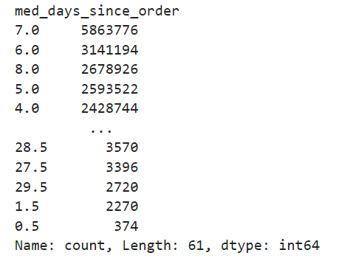
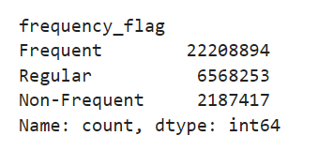
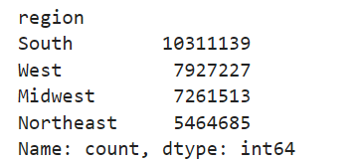
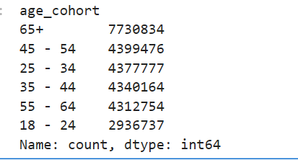
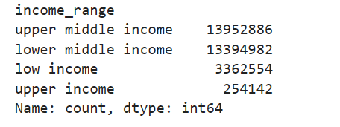
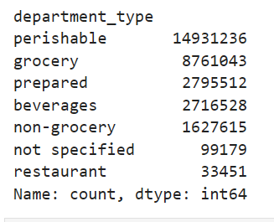
 |  |  |  | Title page

Column derivations and aggregations

In this tab you should add tables below that the frequences of flags/label variables that you produced after deriving them. NB: don't do this for continuous variables, only for flags.
Dataset | New column | Column/s it was derived from | Conditions
ords_prods_merge_variable | max_order | order_numner | max order_number
ords_prods_merge_variable | loyalty_flag | max_order | max order < 10 = new customer | max_order over 10 and below 40 = regular customer | max_order over 40 = loyal customer
ords_prods_merge | busiest_day | orders_day_of_week | busiest day = 0 least busy = 4 all else are regular busy
ords_prods_merge | busiest_hours | order_hour_of_day | most orders = 10, 11,14,15,13,12,16,9 average ordres = 17,8,18,19,20,7,21,22 all else are Fewest Orders
ords_prods_merge_variable | avg_product_order | prices | the average of the prices purchase by a customer
ords_prods_merge_variable | spender_flag | avg_product_prder | if avg_order is under 10 then low spender. If 10 and over - High Spender
ords_prods_merge_variable | med_days_since_order | days_since_prior_order_filled | the median days since the order was filled
ords_prods_merge_variable | frequency_flag | med_days_since_order | over 20 - non frequent, higher than 10 and equal to 20 - regular customer, lower than 10, frequent customer
ords_prods_customers | region | state | Region was determined based on the following website - https://simple.wikipedia.org/wiki/List_of_regions_of_the_United_States
ords_prods_customers | activity_flag | max_orders | If a customer ordered 4 or fewer times they are a low activity customer and will be removed from the data set
ords_prods_customers_target | age_cohort | age | Customers are incremented in 10 year age ranges until 65. These customers are grouped together
ords_prods_customers_target | income_range | income | If income under 50k - low income, if between 50K and 100K lower middle income, if between 100K and 200K - upper middle income, if over 200K upper income
ords_prods_customers_target | department_type | department_id | Departments were put into department types depending on the items they contained
ords_prods_customers_target | family_type | dependant_count | If a customer has dependents they have children if not the do not have children

Max order value count | loyalty flag value count |  | Busines day
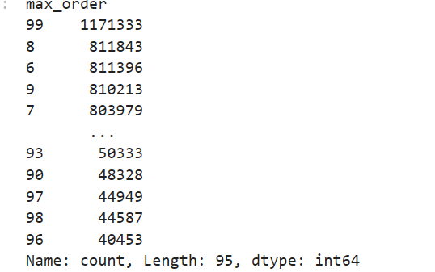
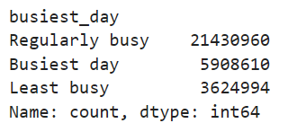
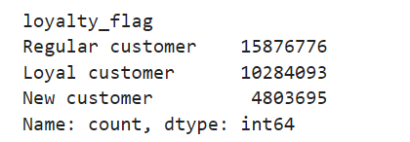

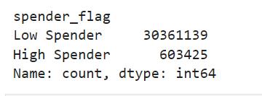
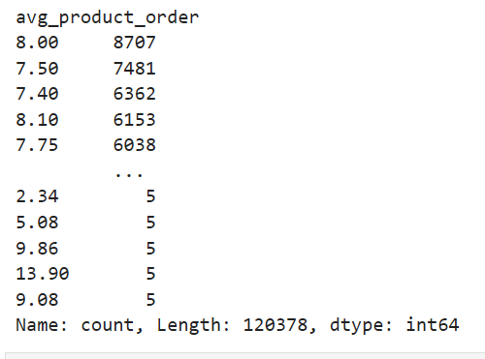
 |  |  | Spender flag
 | Avg product order
Busines Hours
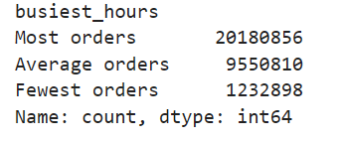

med_days_since_order | frequency_flag |  | region

6. Visualizations
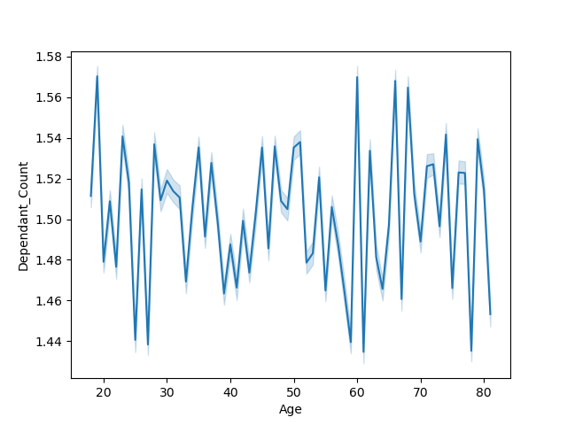

 |  |  |  |  | Title page

Visualizations

In this tab you should include all the visualizations from Exercises 4.9 and 4.10, alongside the questions from the project brief that they answer. Include any commentary on the relationship between different variables.

Question | Visualization
PART 1

Question 3
Is there a different price point preference by region
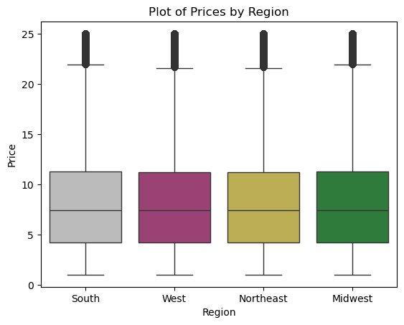

Question 6
Create appropriate visualizations to show customer profile based on age, income, certain goods in the “department_id” column, and number of dependents
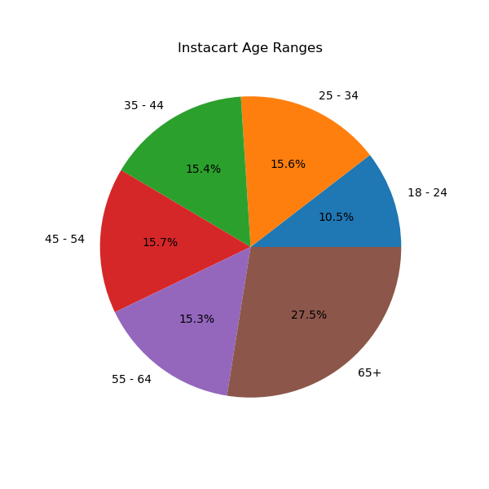
AGE

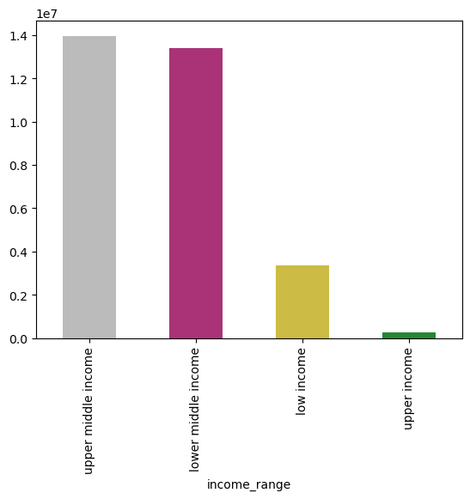

Income

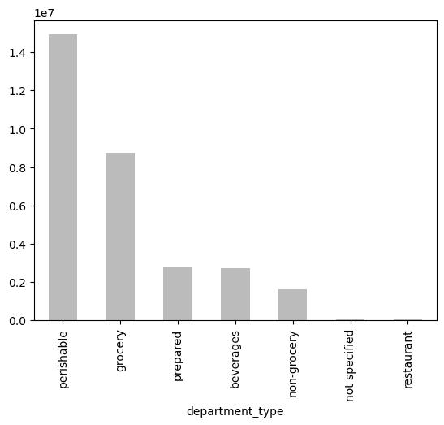
Department

Dependents
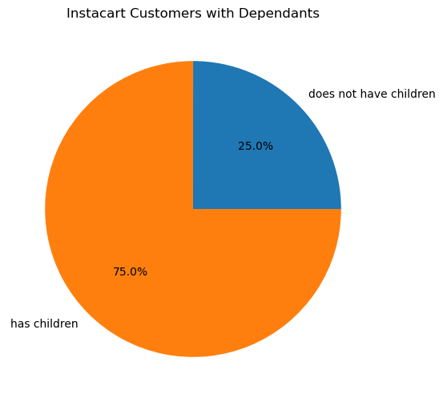

Question 8
Compare your customer profiles with regions and departments.
Analysis: Overall though different regions purchase different amounts of product their popularity in total remains the same
Perishable foods is the top performer with not specified and restaurants being the lowest

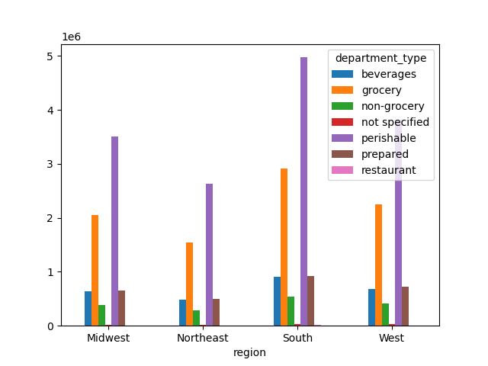

 | PART 2

 | 1 What are the busiest days of the week |  | 1. What the busiest hours of the day
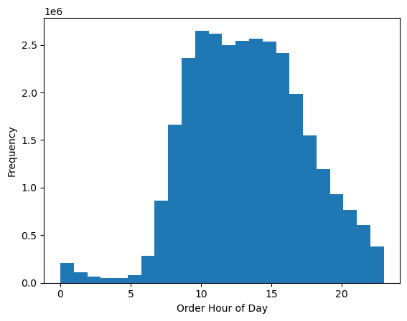
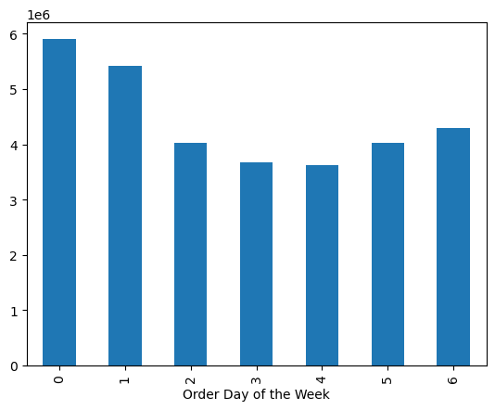

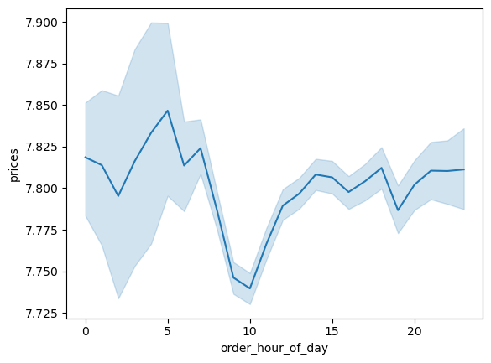
 | 2. When do customers spend the most money
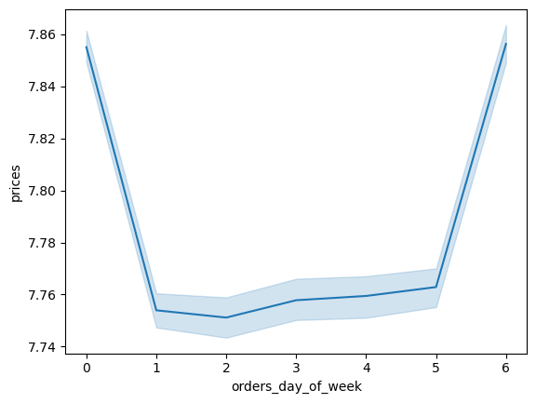

 | 3. How to group products by price range

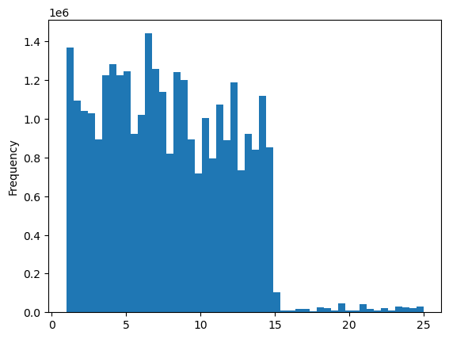

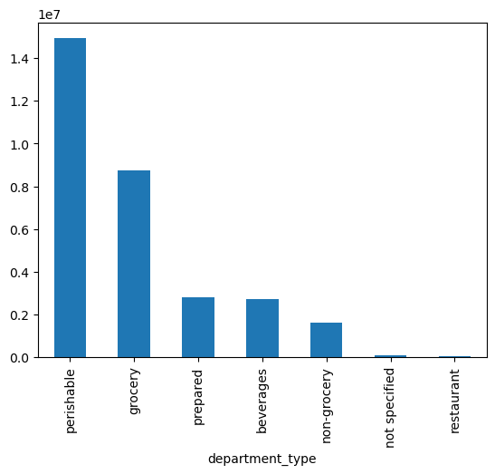
 | 4. What department has the highest frequency of orders

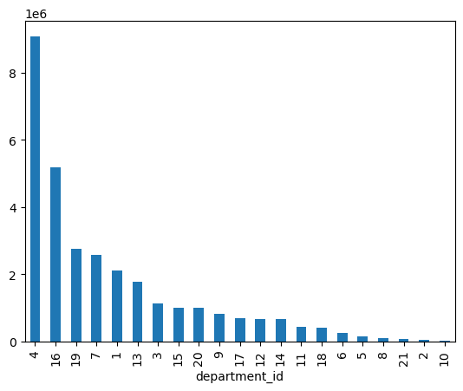

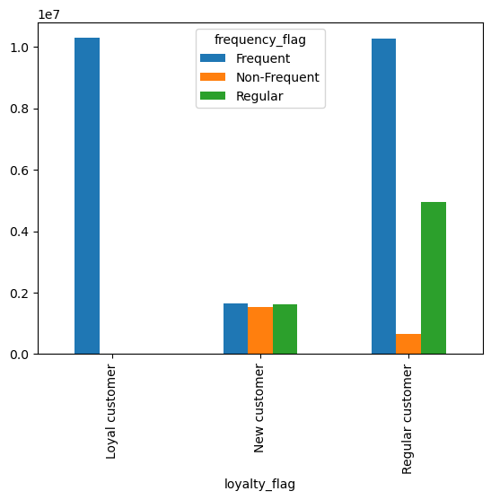
 | 4 | How often do customers return to Instacart |  | 5. Ordering habit based on loyalty status
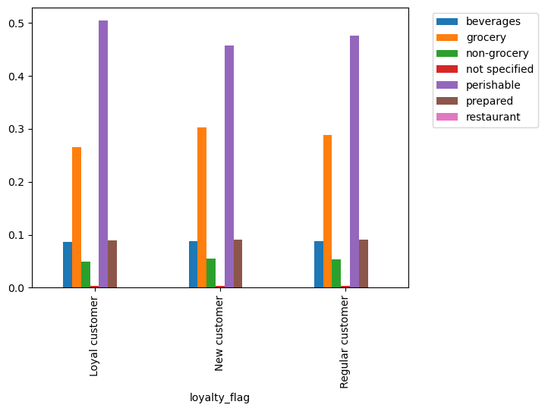

 |  |  |  |  | 7. Ordering status based on age and family
 | 6. Ordering status based on region
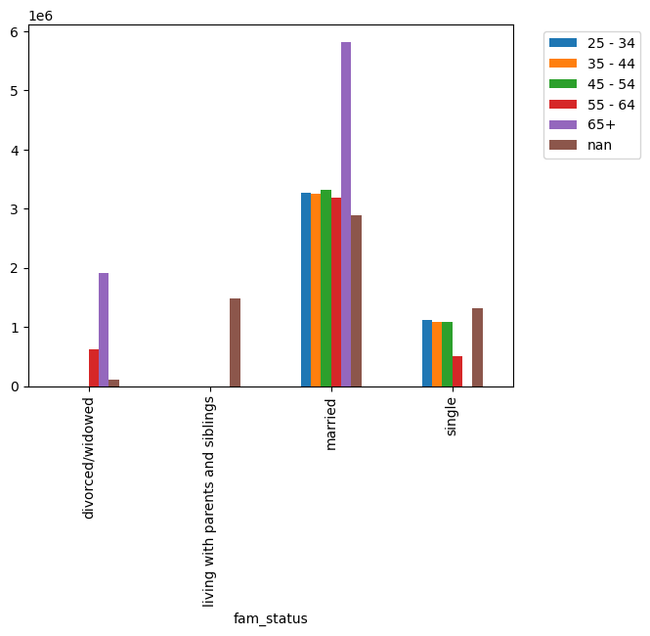

 |  | Age and dependent count

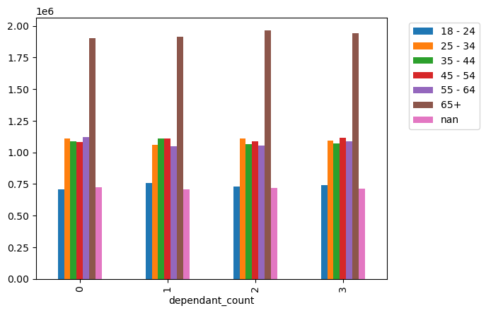

 |  | Ordering habits based on age and income range
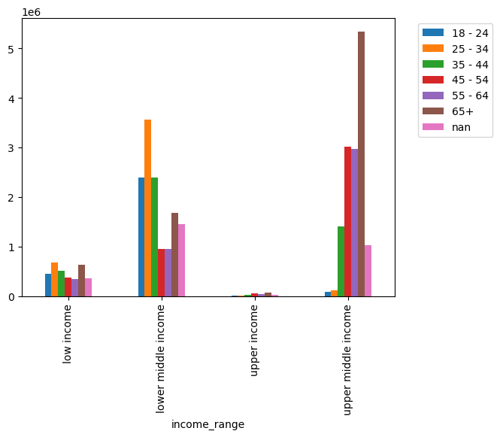

 | What differences can you find based on different ordering profiles

 | Customer profile based on price

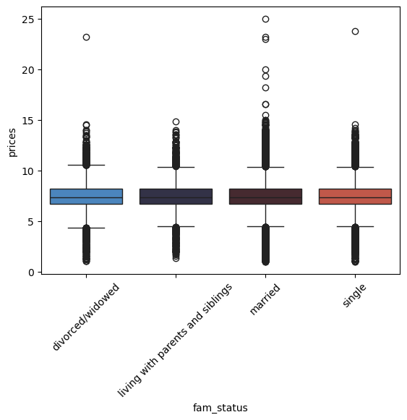
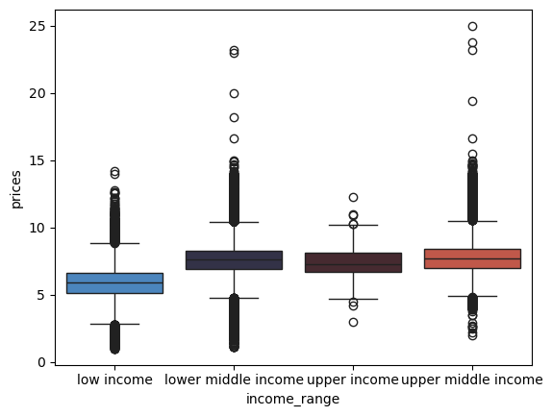
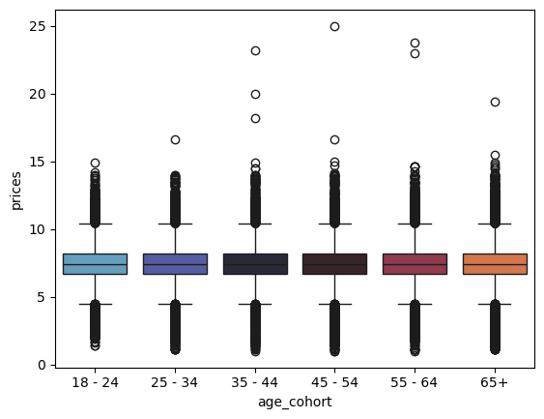

 | Ordering profile based on order count

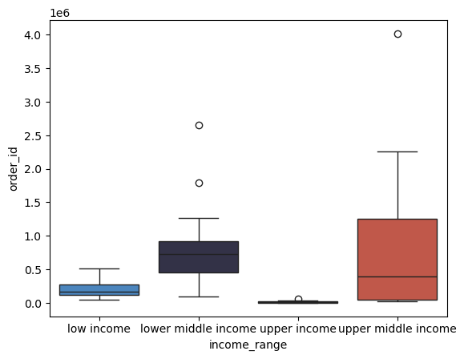
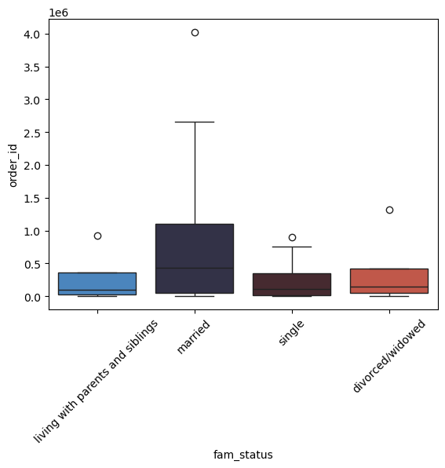
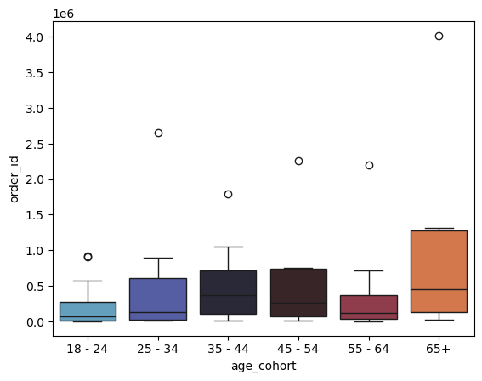

Charts from part 9 that were not requested for part 10

What is the connection between age and number of dependants |  |  |  |  | What is the connection between age and spending power
A. There does not appear to be a connection between age and number of dependants |  |  |  |  | There appears to be a slight positive correlation between age and spending power

7. Recommendations
 |  |  |  | Title page

Recommendations

In this tab you should include any recommendations you would made to Instacart in terms of their marketing strategy based on the questions posed in the brief. Every key question has been covered in the Tasks of the Exercises - here you need to add an item - a visualization or table/crossable that is showing the answer in the data, accompanied by a comment from you. Please, list the questions below and add the answer underneath.

Question | Answer |  | Recommendation
What the the busiest days of the week and | Top 3 days are Saturday Monday and Sunday |  | These will be the easiest days to up sell customers. Run additional marketing on these days to promote additional product purchases as these are the days customers are already buying
What are the busiest hours of the day | The top three hours are 10 AM, 11AM and 2PM |  | It looks like customers are most interested in purchasing items for lunch. Run promotions for lunch items to align with current customers buying trends
What times of the day do people spend more money | There is a slight increase in spend on Saturday and Sunday. Between midnight and 5 AM there is a slight increase in average price |  | If you want to capture additional demand advertise on the weekend and between midnight and 5 AM to attract high-paying customers.
Instacart has a lot of products with different price tags. Marketing and sales want to use simpler price range groupings to help direct their efforts. | Based on the histogram listed in tab 6 prices fall into $.50 bins |  | When advertising prices group products in $.50 increments together. Do not advertise products that are over $15 as those products are not popular
Which department have the highest frequency of product orders | The department with the highest frequency are perishable goods and groceries |  | Perishable goods and groceries are the most popular. To get more specific dairy and eggs are the most popular products. They should be included in ad campaigns as they will likely drive conversions
Who are the different customers in their system.
What are the distribution of customers by brand loyalty |  | Loyal and regular customers return the most frequently | Regular customers represent the greatest opportunity to upsell to get them to buy the more frequently
Ordering habits based on loyalty status |  | There isn't a difference in what products are ordered based on loyalty status | Customers will not respond differently based on product type. There is no need to segment customers based on what products they will order
Order distribution by region |  | There are slight differences in product preferences based on region. However perishable goods are still the most popular | Perishable products can be advertised nationwide.
Ordering habits based on age and family status |  | Married adults 65+ are the most frequent orders | Targeting married customers 65+ will likely leads to higher conversion as they will respond to advertising
Ordering habits based on age and dependent count |  | No differences detected | Customers do not exhibit different ordering frequency based on age and dependent count
Ordering habits based on age and income |  | Middle income adults 65+ order the most frequently | Targeting middle income customers 65+ will likely leads to higher conversion as they will respond to advertising
What classification does the demographic grouping suggest |  | The data suggestions that age, income and martial status impact ordering | There is a prime target for Instacart's product and that is a middle income consumer who is married and over 65
What ordering status can you find my different customer profiles |  | Looking at age, income family status most cohorts order within the same price range. Upper middle income customers are slightly less price sensitive and will buy products at a greater price range. Because price preference is similar, customers with the greatest order frequency are the customers that will be the most profitable | If Instacart wants to target higher price points than middle-income consumers will be the best target for this messaging. Since these customers are the most frequent orders they will be the most profitable

